Activation
Speedway Activation
Link to Activation Summary: https://www.nashville.gov/sites/default/files/2023-01/Speedway-Docs-Speedway-Activation.pdf?ct=1674247514

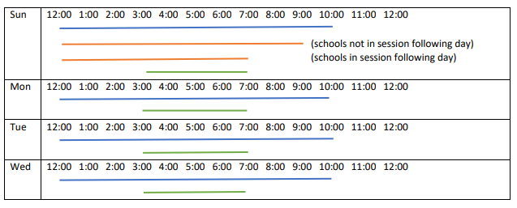

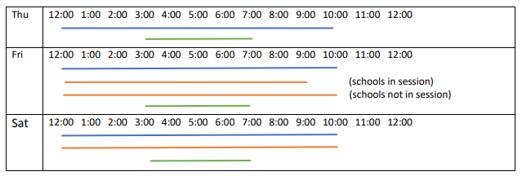

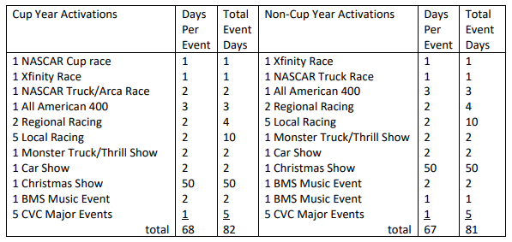

This is a high level estimation of typical speedway activation. It does not include attendance at other campus events outside the speedway.

Public Engagement
Public Engagement
Fair Board | May 2021 - Public Hearing
 | December 2022 - Public Hearing
 | February 2023 - Public Hearing
 | Fair Board Commissioner attendance at various BMS community meetings (primarily 2021)
 | Monthly Neighborhood Impact Advisory Committee Meetings
 | Public comment periods during monthly Fair Board meetings
 | Public access to 5 Fair Board work sessions: November 30, December 21, January 10, February 9, February 16
 | Public access to relevant document on Fair Board website: https://www.nashville.gov/departments/fairgrounds/speedway-project-documentation

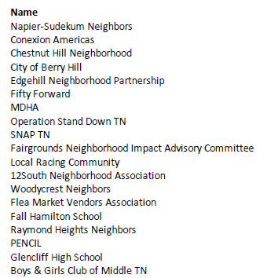
Bristol
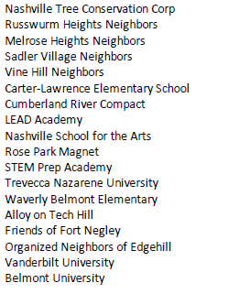

 | Above is a list of community organizations that BMS reported they reached out to since April 2021. According to BMS, for neighborhoods that didn't have a formal organization they tried to find neighborhood leaders who could be points of contact. BMS also stated that, whether they were successful in that or not, all residences in these areas received two letters with direct contact information inviting questions and conversations and they did get some response from those.
 | BMS mailed a letter to 15,000 addresses in May 2021. BMS reported receiving requests for additional information or questions from approximately 30-40 people.

Metro Council | Meeting to be scheduled and is required to be held under §2.24.230 of the Metro Code when a lease of Metro property with an appraised value in excess of $1 million is under consideration.
 | Other meetings to be determined

https://www.nashville.gov/departments/fairgrounds/speedway-project-documentation

Waterfall & Proforma
Waterfall
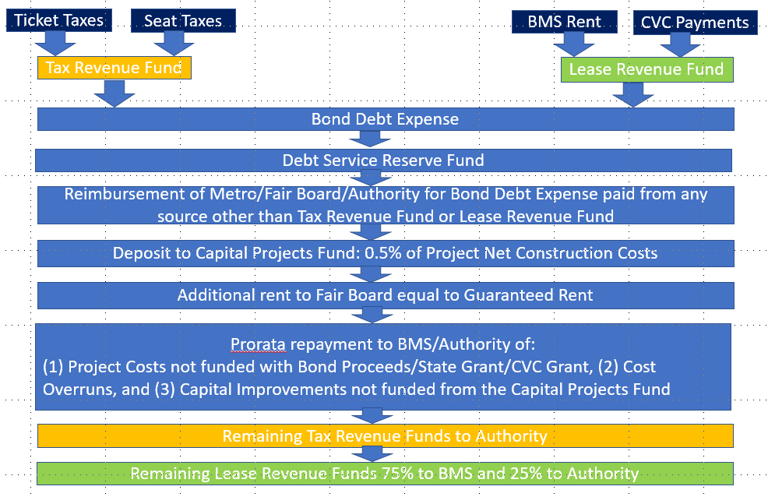

DRAFT Updated Proforma (draft due to fluctuations of bond interest rates)
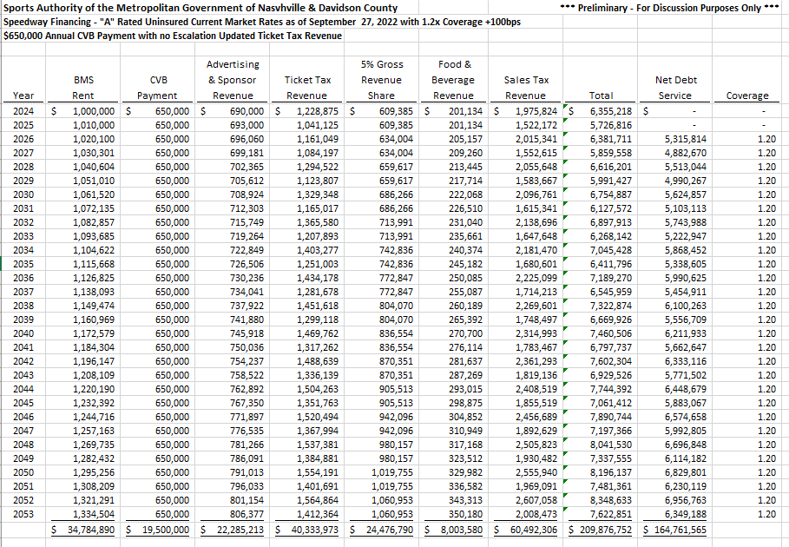

https://www.nashville.gov/departments/fairgrounds/speedway-project-documentation

